Instructions
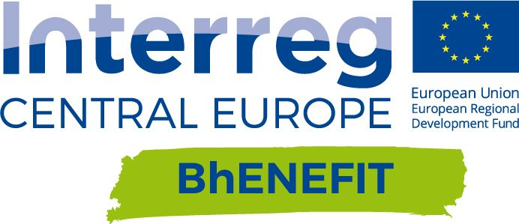

PRECONDITIONS

- Having in mind a specific HBA to be managed;
- Having in mind some goals or opportunities to be implemented in that HBA;
- Having a “list” of priorities that could drive the use of the tool.

STRUCTURE OF THE TOOL

The tool is divided in 3 sections: economic issues, environmental issues and social issues, for a total amount of 14 questions.

The tool quotes the components of the sustainability in the management of HBAs analyzed by Bhenefit projects, so it identifies 3 main categories: ENVIRONMENT/SOCIAL/ECONOMY and 14 sub-categories. For each sub-category the tool proposes 3 possible level of result, granted with an increasing “mark” (1, 2 or 3):
- Mark “1” means that the goal is reached in a very generic way - Mark “2” means that the goal is reached with some attention to the specificity of the historic place - Mark “3” means that the goal is reached through solutions able to combine the complexity of the involved factors.

WHAT TO DO

For each Macro-component and component you have to choose among the 3 proposed solutions, by selecting 1 from the drop down menu. Each answer refers to a mark (indicated in the column H). By answering the 14 questions you will get the final score comparable with the Best practices' scores from the sheet "Inventored Best Practices".

Once filled in the questionnaire with marks you could then know the final score

The transfer tool is linked to the “Best practices inventory”. Each BP inventored was “evaluated” through the tool, in order to receive a global mark, combing the results obtained in every category. In the sheet "inventored Best Practices" you find the list of the Best practices and the mark assigned to each of them. Reading them you can evaluate the compatibility between your local case, its needs, features and goals, and the inventoried Best Practices.
You are invited to take a look to the Best Practice Inventory.

Best Practice transfer tool
MACRO- COMPONENT | COMPONENT | SOLUTION (please select) | MARK | SUM
 ENVIRONMENT | Which goal do you want to reach about Energy Efficency in your HBA? | IMPROVEMENT OF ENERGY SAVING | 1 | 9
 | Which action do you want to play about UHI in your HBA? | MONITORING | 1
 | Which action do you want to play about Waste and Water treatment in your HBA? | MONITORING | 1
 | Which action do you want to play about pollution in your HBA? | MONITORING, EMERGENCY PLAN AND MITIGATION | 3
 | Which is your goal regarding mobility in your HBA? | TRAFFIC REDUCTION, MITIGATION OF IMPACTS, ALTERNATIVE SOLUTIONS | 3
 SOCIAL | Which is your goal about services and facilities inside your HBA? | INCREASE OF QUANTITY MORE CONNECTED TO THE SPECIFIC DAILY LIFE OF HBA'S RESIDENTS | 3 | 14
 | Which is your goal about CULTURAL LIFE AND LEISURE FACILITIES in your HBA? | INCREASE OF LEISURE ATTRACTIONS FOR TOURISM | 3
 | Which is your goal about Identity perception in your HBA? | PRESERVATION AND VALORISATION OF HISTORICAL TRACES | 2
 | Which is your priority about the relationship between Gentrification and mixitè? | REUSE OF DISMISSED BUILDINGS PRESERVING PUBLIC SPACES | 2
 | Which are your priorities about accessibility of your HBA? | HBA ACCESSIBLE MAINLY BY GREEN MOBILITY | 2
 | Which is your approach about security in your HBA? | ISTALLATION OF SECURITY SYSTEM AND SAFETY'S PLANS AND MEASURES | 2
ECONOMY | How do you want to manage the impact of tourism in your HBA? | TOURISTIC VALORIZATION PRESERVING DAILY LIFE OF RESIDENTS | 1 | 6
 | How do you want to manage the maintenance costs in your HBA? | DEVELOPMENT OF SPECIFIC POLICES TO INCENTIVIZE MAINTENANCE BY PRIVATE OWNERS | 2
 | How do you want to approach the topic of Transformation's costs in your HBA? | TRANSFORMATION'S STRATEGY AND INITIATIVES BASED ON PUBLIC-PRIVATE PARTNERSHIP | 3
 |  |  | total mark | 29

Inventored Best Practices
